Sheet1
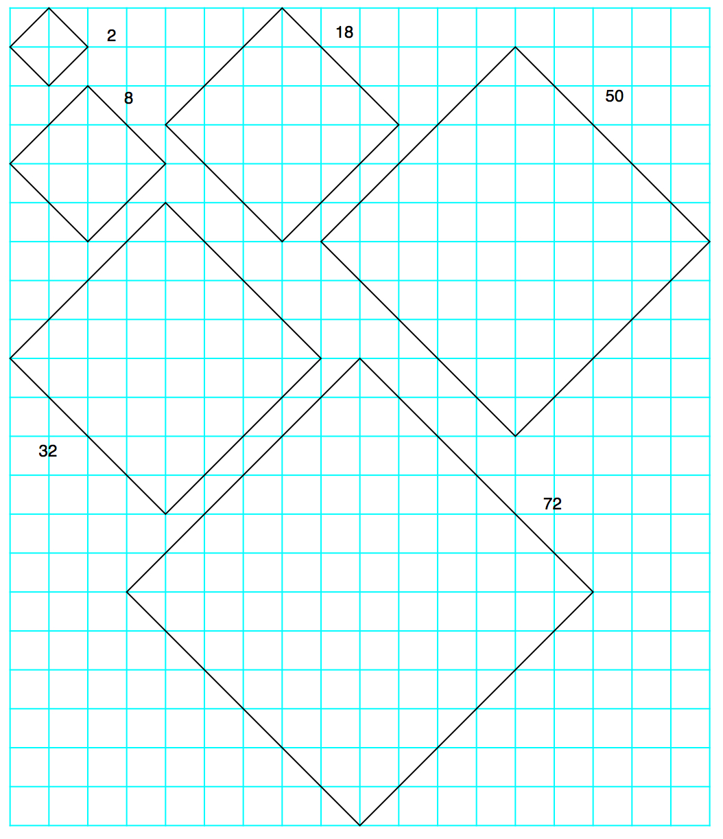
 | id 13183
side length
as diag | area | d.r.
1 | 2 | 2 | units | 2
2 | 8 | 8 |  | 8
3 | 18 | 9 |  | 8 | tens | 1
4 | 32 | 5 |  | 2 |  | 3
5 | 50 | 5 |  | 0 |  | 5
6 | 72 | 9 |  | repeat |  | 7
7 | 98 | 8 |  |  |  | 9
8 | 128 | 2 |  |  |  | 2
9 | 162 | 9 |  |  |  | 6
10 | 200 | 2 |  |  |  | 0
11 | 242 | 8 |  |  |  | 4
12 | 288 | 9 |  |  |  | 8
13 | 338 | 5 |  |  |  | 3
14 | 392 | 5 |  |  |  | 9
15 | 450 | 9 |  |  |  | 5
16 | 512 | 8 |  |  |  | 1
17 | 578 | 2 |  |  |  | 7
18 | 648 | 9 |  |  |  | 4
19 | 722 | 2 |  |  |  | 2
20 | 800 | 8 |  |  |  | 0
21 | 882 | 9 |  |  |  | 8
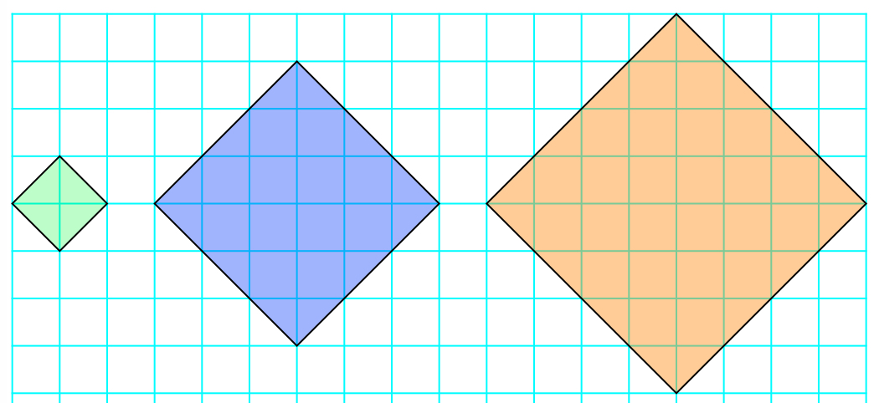
22 | 968 | 5 |  |  |  | 6
23 | 1058 | 5 |  |  |  | 5
24 | 1152 |  |  |  |  | 5
25 | 1250 |  |  |  |  | 5
26 | 1352 |  |  |  |  | 5
27 | 1458 |  |  |  |  | 5
28 | 1568 |  |  |  |  | 6
29 | 1682 |  |  |  |  | 8
30 | 1800 |  |  |  |  | 0
31 | 1922 |  |  |  |  | 2
32 | 2048 |  |  |  |  | 4
33 | 2178 |  |  |  |  | 7
34 | 2312 |  |  |  |  | 1
35 | 2450 |  |  |  |  | 9
36 | 2592 |  |  |  |  | 5
37 | 2738 |  |  |  |  | 3
38 | 2888 |  |  |  |  | 8
39 | 3042 |  |  |  |  | 4
40 | 3200 |  |  |  |  | 0
41 | 3362 |  |  |  |  | 6
42 | 3528 |  |  |  |  | 2
43 | 3698 |  |  |  |  | 9
44 | 3872 |  |  |  |  | 7
45 | 4050 |  |  |  |  | 5
46 | 4232 |  |  |  |  | 3
47 | 4418 |  |  |  |  | 1
48 | 4608 |  |  |  |  | 0
49 | 4802 |  |  |  |  | 0
50 | 5000 |  |  |  |  | 0
51 | 5202 |  |  |  |  | 0
52 | 5408 |  |  |  |  | 0
53 | 5618 |  |  |  |  | repeat
54 | 5832
55 | 6050
56 | 6272
57 | 6498
58 | 6728
59 | 6962
60 | 7200
61 | 7442
62 | 7688
63 | 7938
64 | 8192
65 | 8450
66 | 8712
67 | 8978

